Sheet1
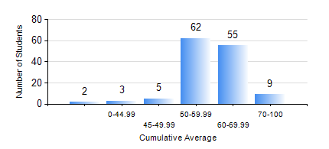
 |  |  | KWAME NKRUMAH UNIVERSITY OF SCIENCE AND TECHNOLOGY, KUMASI Department of Agricultural and Biosystems Engineering

 |  |  | BSC. AGRICULTURAL ENG.

 |  |  | COMPREHENSIVE RECORD OF EXAMINATION RESULTS

 |  |  | RESULTS OF YEAR 1 SECOND SEMESTER, 2018/2019 ACADEMIC YEAR

 | Sn | Course Code |  | Course Name | Credit Hours | Min. Mark | Max. Mark | Avg. Mark | Std. Dev. | No. Passed | No. Trailed | No. (Df) | No. (I) | No. (I*) | No. Tagged(I,I*,Df) | Total
 | 0. |  |  |  |  |  |  | 0 | 0 | 0 | 0 | 0 | 0 | 0 | 0 | 3
 | 1. | AE 158 |  | INTRODUCTION TO INFORMATION TECHNOLOGY | 2 | 45 | 88 | 70 | 8.44 | 133 | 0 | 0 | 0 | 0 | 0 | 133
 | 2. | AE 162 |  | BASIC AGRICULTURE | 2 | 20 | 82 | 64 | 8.77 | 132 | 1 | 0 | 0 | 0 | 0 | 133
 | 3. | AE 196 |  | ENGINEERING WORKSHOP PRACTICE | 1 | 43 | 83 | 64 | 8.32 | 133 | 0 | 0 | 0 | 0 | 0 | 133
 | 4. | EE 152 |  | BASIC ELECTRONICS | 3 | 49 | 84 | 59 | 6.88 | 133 | 0 | 0 | 0 | 0 | 0 | 133
 | 5. | ENGL 158 |  | COMMUNICATION SKILLS II | 2 | 50 | 79 | 65 | 6.06 | 133 | 0 | 0 | 0 | 0 | 0 | 133
 | 6. | MATH 152 |  | CALCULUS WITH SEVERAL VARIABLES | 4 | 24 | 74 | 50 | 10.36 | 126 | 7 | 0 | 0 | 0 | 0 | 133
 | 7. | ME 160 |  | ENGINEERING DRAWING | 3 | 40 | 78 | 55 | 7.75 | 133 | 0 | 0 | 0 | 0 | 0 | 133
 | 8. | ME 162 |  | BASIC MECHANICS | 3 | 13 | 92 | 58 | 14.93 | 125 | 8 | 0 | 0 | 0 | 0 | 133

